MSCI EM Asia
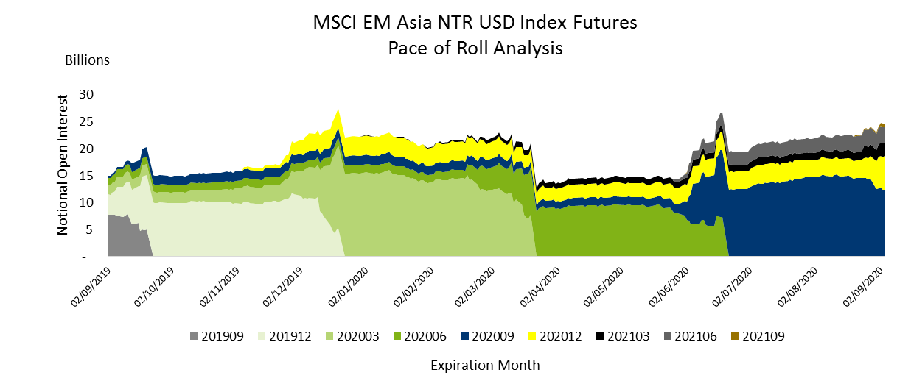

FMEA | MSCI Emerging Markets Asia Index Futures (USD/NTR) - Open Interest Unadjusted by Expiry as of Sept 8th, 2020
Expiration Month | Sep-20 | Dec-20 | Mar-21 | Jun-21 | Sep-21 | Dec-21 | Total
Open Positions | 192,006 | 109,990 | 54,538 | 46,829 | 10,786 | 0 | 414,149
Notional (USD) | 12,138,619,320 | 6,960,167,200 | 3,466,435,280 | 2,978,792,690 | 686,421,040 | 0 | 26,230,435,530

MSCI Japan
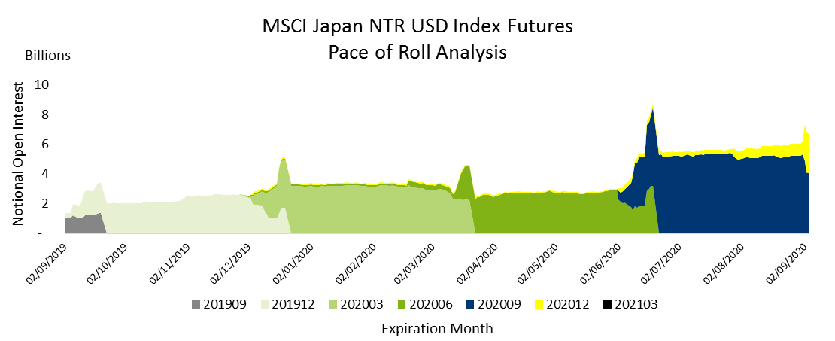

FMJP | MSCI Japan Index Futures - Open Interest Unadjusted by Expiry as of Sept 8th, 2020
Expiration Month | Sep-20 | Dec-20 | Mar-21 | Total
Open Positions | 48,493 | 52,349 | 0 | 100,842
Notional (USD) | 3,217,025,620 | 3,475,973,600 | 0 | 6,692,999,220

MSCI Taiwan
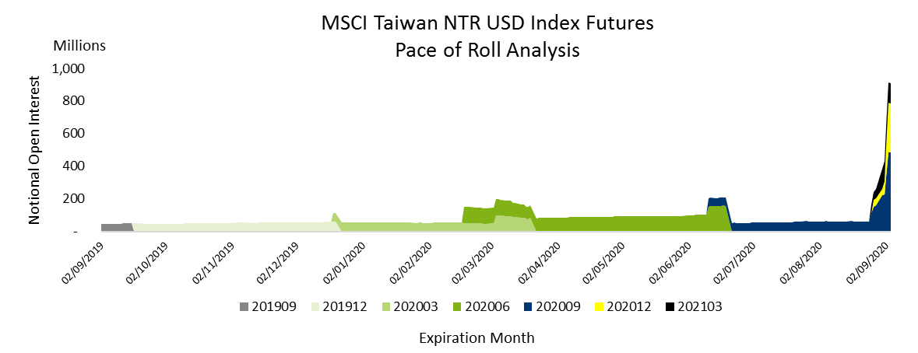

FMTW | MSCI Taiwan Index Futures (USD/NTR) - Open Interest Unadjusted by Expiry as of Sept 8th, 2020
Expiration Month | Sep-20 | Dec-20 | Mar-21 | Total
Open Positions | 13,848 | 7,147 | 5,286 | 26,281
Notional (EUR) | 590,340,240 | 304,962,490 | 226,082,220 | 1,121,384,950

