MSCI World EUR
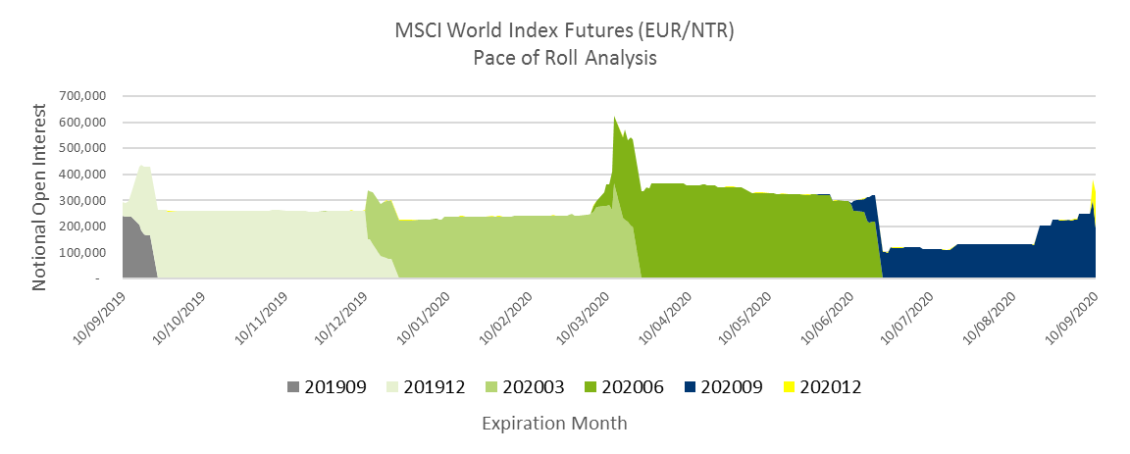
FMWN (RSW) | MSCI World Index Futures (EUR/NTR) - Unadjusted OI as of Sep 10, 2020
Expiration Month | Sep-20 | Dec-20 | Total
Open Positions | 191,575 | 140,664 | 332,239
Notional (EUR) | 5,882,310,375 | 4,316,274,840 | 10,198,585,215
Volume (Single Counted) | 66,312 | 64,749 | 131,061

MSCI Europe EUR
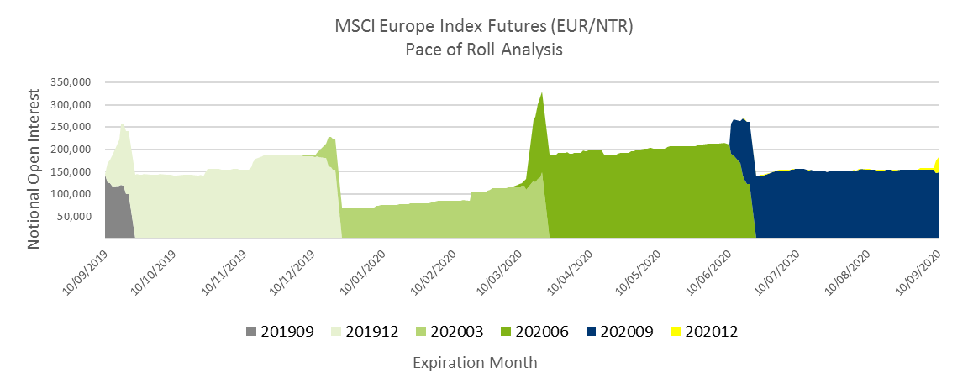
FMEU (ZRP) | MSCI Europe Index Futures - Unadjusted OI as of Sep 10, 2020
Expiration Month | Sep-20 | Dec-20 | Total
Open Positions | 148,936 | 34,149 | 183,085
Notional (USD) | 3,231,911,200 | 740,008,830 | 3,971,920,030
Volume (Single Counted) | 9,830 | 6,336 | 16,166

MSCI Emerging Markets LatinAm
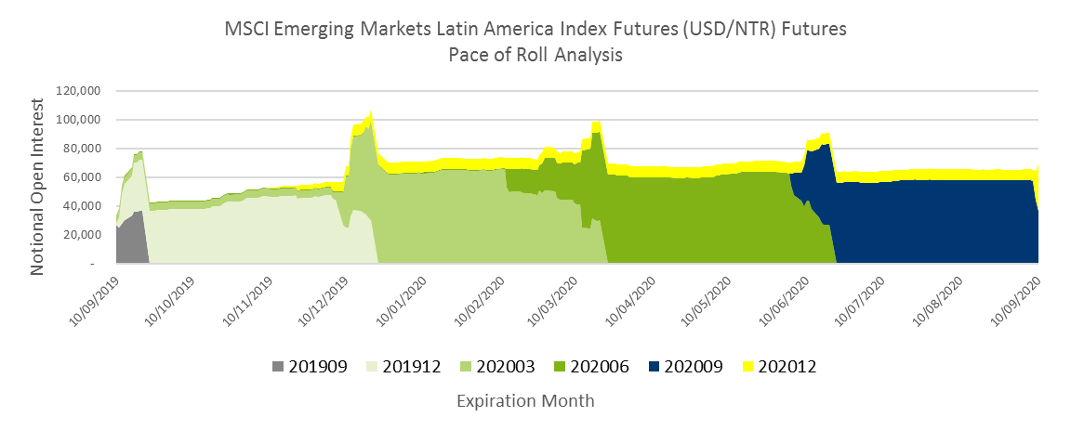
FMEL (ZUL) | MSCI Emerging Markets Latin America Index Futures - Unadjusted OI and Volume as of Sep 10, 2020
Expiration Month | Sep-20 | Dec-20 | Total
Open Positions | 36,912 | 32,427 | 69,339
Notional (USD) | 1,434,400,320 | 1,261,410,300 | 2,695,810,620
Volume (Single Counted) | 13,240 | 13,164 | 26,404

MSCI World USD
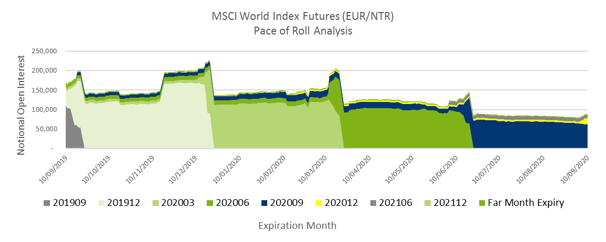
FMWO | MSCI World Index Futures (USD/NTR) - Open Interest Unadjusted by Expiry as of September 10th, 2020
Expiration Month | Sep-20 | Dec-20 | Jun-21 | Dec-21 | Mar-22 | Jun-22 | Total
Open Positions | 63,546 | 16,276 | 8,190 | 160 | 2,245 | 0 | 90,417
Notional (EUR) | 4,526,381,580 | 1,159,176,720 | 585,175,500 | 11,444,800 | 160,629,750 | 0 | 6,442,808,350
Volume (Single Counted) | 3,356 | 1,867 | 0 | 0 | 0 | 0 | 5,223

MSCI Europe Price EUR
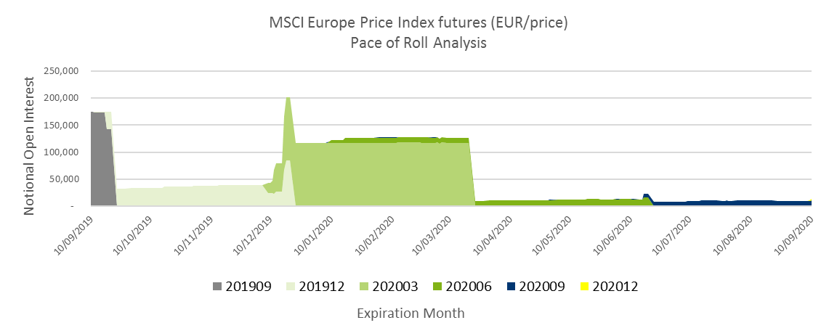
FMEP | MSCI Europe Price Index Futures (EUR) - Open Interest Unadjusted by Expiry as of September 10th, 2020
Expiration Month | Sep-20 | Dec-20 | Mar-20 | Total
Open Positions | 10,138 | 2,550 | 0 | 12,688
Notional (USD) | 123,582,220 | 30,918,750 | 0 | 154,500,970
Volume (Single Counted) | 950 | 850 | 0 | 1,800

MSCI Europe Price USD
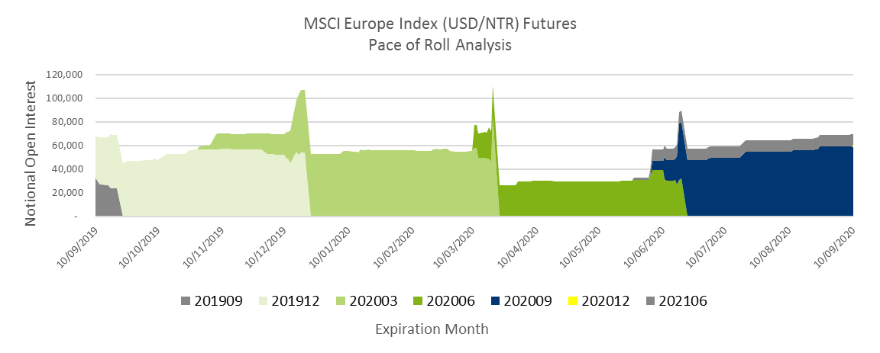
FMED (ZRP) | MSCI Europe Index Futures - Unadjusted OI and volume as of Sep 10, 2020
Expiration Month | Sep-20 | Dec-20 | Jun-21 | Total
Open Positions | 58,440 | 1,479 | 9,648 | 69,567
Notional (USD) | 3,946,161,000 | 99,964,131 | 654,163,344 | 4,700,288,475
Volume (Single Counted) | 1,590 | 1,479 | 0 | 3,069

